Sheet1
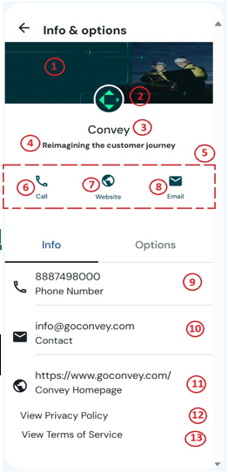
 |  | Provide the following RCS program details with your Agent request to Convey support. Prior Consumer opt-in required for all RCS delivery
 |  | Agent Registration Requirements
Agent Display Name (3) 40 character limit
Agent ID - only needed if already or previously registered
Agent Description (4) 100 character limit
Brand Color (5) Contrast Ratio must be at least 4.5:1 for white (#FFFFFF) Contrast Ratio Checker | https://shorturl.at/RLZym
Brand Company Name
Customer-facing Support Number (9)
Label for Customer-facing Number (6)
Brand Company Website (10)
Label for Brand Company Website (7)
Customer-facing Email Address (11)
Label for Customer-facing Email Address (8)
Agent Banner (1440 x 448 pixels) (1) Must be JPG under 360 KB |  | Send file directly to Convey Compliance
Agent Logo Image (224 x 224 pixels) (2) Must be JPG under 90 KB |  | Send file directly to Convey Compliance
Privacy Policy URL (12)
Terms of Service URL (13)
Mobile Numbers used for testing | Verizon
 | T-Mobile
RCS Billing Category (Non-conversational or Conversational)
Agent Use Case / Traffic Type (Transactional, Promotional, Mixed, or OTP)
 |  | Verification & Launch Requirements Brand Vetting Information
Company Industry Sector
Brand Legal Company Name (must match Tax ID)
Brand Name
Legal Entity Type
Stock Exchange (required for Public Companies)
Stock Symbol (required for Public Companies)
Company Address
US Federal Tax ID
Official Company Website
Primary Business Phone Number
Point of Contact First & Last Name
Point of Contact Job Title
Point of Contact Email Address
Point of Contact Phone Number
 |  | Opt-in/Opt-out & Interaction Workflow
Opt-in process. How do you obtain end user consent?
Opt-out process. What are opt-out keywords?
For Non-conversational, describe use case and workflow
Campaign Description
STOP Message
HELP Message
If RCS fallback is SMS/MMS, provide the fallback short code/long code
Estimated Monthly Volume
Maximum Daily Volume

